Sheet1
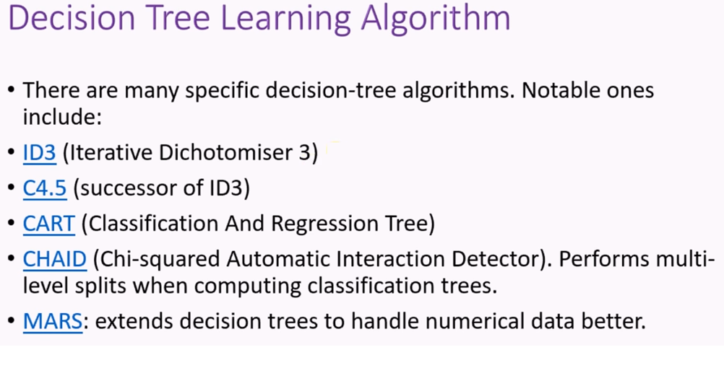
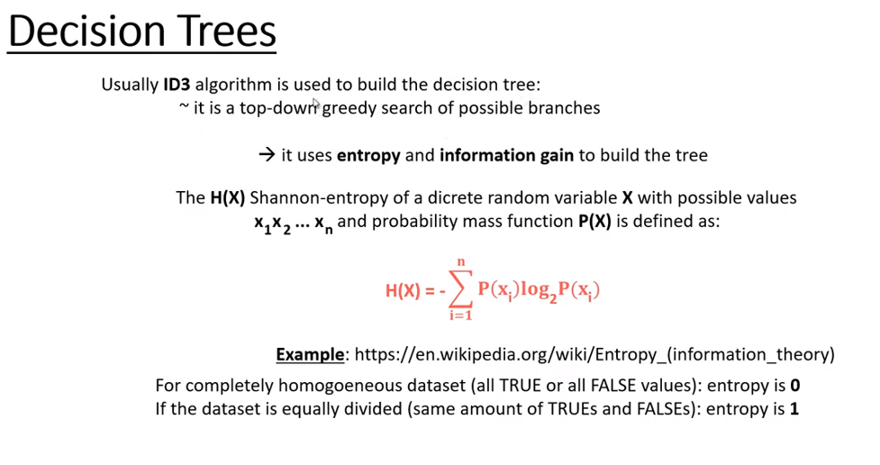
Entropy Calculations for Decision Trees
Day | Outlook | Temperature | Humidity | Wind | Play Golf
D1 | Sunny | Hot | High | Weak | No
D2 | Sunny | Hot | High | Strong | No | b = 1 |  |  |  |  |  |  | b = 2
D3 | Overcast | Hot | High | Weak | Yes | D9 | Sunny | Cool | Normal | Weak | Yes | Y
D4 | Rain | Mild | High | Weak | Yes | D4 | Rain | Mild | High | Weak | Yes | Y
D5 | Rain | Cool | Normal | Weak | Yes | D4 | Rain | Mild | High | Weak | Yes | X
D6 | Rain | Cool | Normal | Weak | No | D4 | Rain | Mild | High | Weak | Yes | Y
D7 | Overcast | Cool | Normal | Strong | Yes | D4 | Rain | Mild | High | Weak | Yes | Y
D8 | Sunny | Mild | High | Weak | No | D4 | Rain | Mild | High | Weak | Yes | X
D9 | Sunny | Cool | Normal | Weak | Yes | D4 | Rain | Mild | High | Weak | Yes | X
D10 | Rain | Mild | Normal | Weak | Yes | D5 | Rain | Cool | Normal | Weak | Yes | X
D11 | Sunny | Mild | Normal | Strong | Yes | D6 | Rain | Cool | Normal | Weak | No | X
D12 | Overcast | Mild | High | Strong | Yes | D7 | Overcast | Cool | Normal | Strong | Yes | X
D13 | Overcast | Hot | Normal | Weak | Yes | D8 | Sunny | Mild | High | Weak | No | X
D14 | Rain | Mild | High | Strong | No | D9 | Sunny | Cool | Normal | Weak | Yes | Y
 |  |  |  |  |  | D10 | Rain | Mild | Normal | Weak | Yes | Y
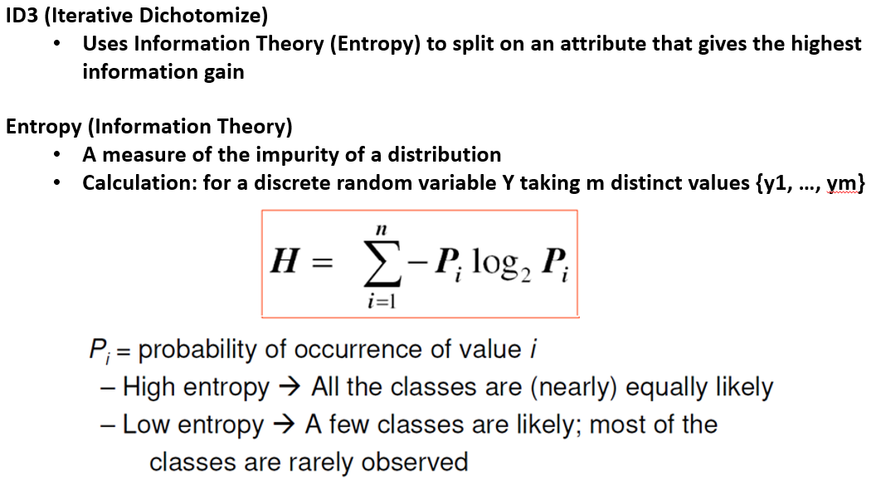
 |  |  |  |  |  | D11 | Sunny | Mild | Normal | Strong | Yes | Y
 |  |  |  |  |  | D12 | Overcast | Mild | High | Strong | Yes | Y
 |  |  |  |  |  | D13 | Overcast | Hot | Normal | Weak | Yes | X
 |  |  |  |  |  | D14 | Rain | Mild | High | Strong | No | Y

 |  |  |  |  |  | b = 1 to B

 |  |  |  |  |  | b = sqrt(B)

